RFP COVER
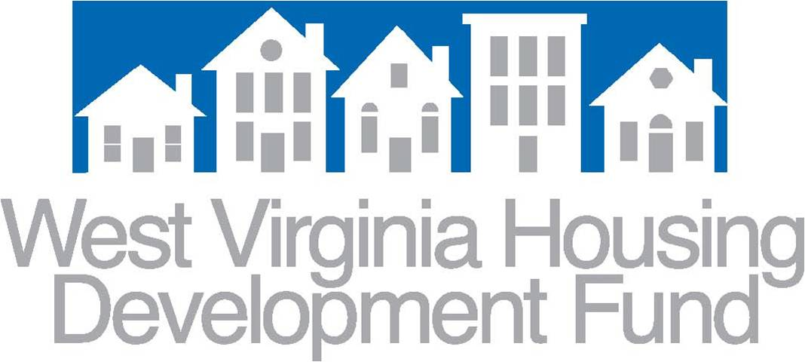

CDBG-DR

West Virginia Multifamily Rental Housing Program

Request For Proposals (RFP)

Application
RFP 1-2020 CDBG-DR WV MF

2020-01-24

